Maven Build
Artifacts Used : maven-archetype-quickstart

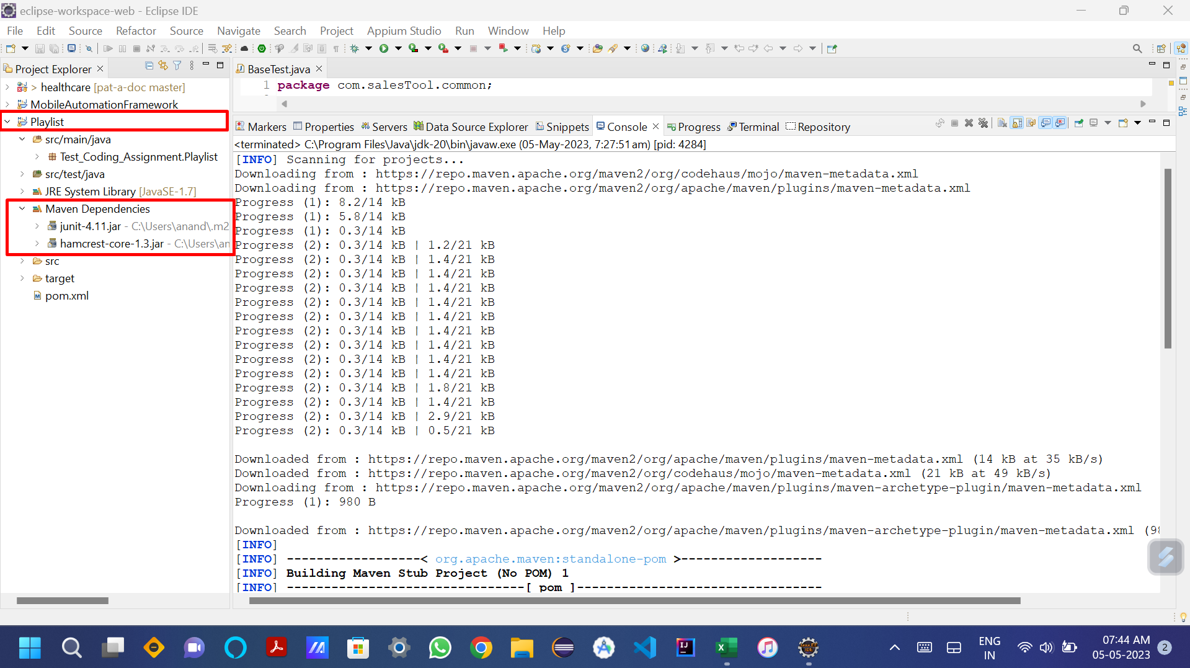

Build Success

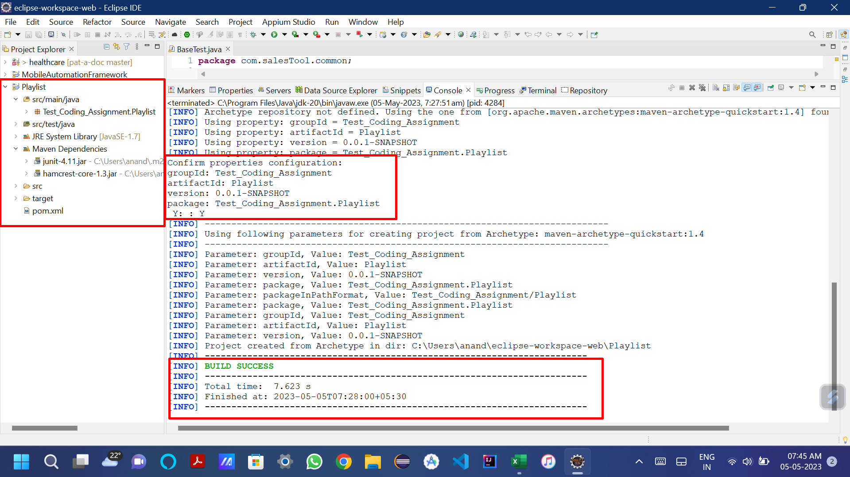

Dependencies

<dependencies>
 | <dependency>
 |  | <groupId>junit</groupId>
 |  | <artifactId>junit</artifactId>
 |  | <version>4.11</version>
 |  | <scope>test</scope>
 | </dependency>
 | <!-- https://mvnrepository.com/artifact/org.seleniumhq.selenium/selenium-java -->
 | <dependency>
 |  | <groupId>org.seleniumhq.selenium</groupId>
 |  | <artifactId>selenium-java</artifactId>
 |  | <version>4.9.0</version>
 | </dependency>
 | <!-- https://mvnrepository.com/artifact/org.testng/testng -->
 | <dependency>
 |  | <groupId>org.testng</groupId>
 |  | <artifactId>testng</artifactId>
 |  | <version>7.7.1</version>
 |  | <scope>test</scope>
 | </dependency>
 | <!-- https://mvnrepository.com/artifact/io.appium/java-client -->
 | <dependency>
 |  | <groupId>io.appium</groupId>
 |  | <artifactId>java-client</artifactId>
 |  | <version>8.3.0</version>
 | </dependency>
 | <!-- https://mvnrepository.com/artifact/javax.servlet/javax.servlet-api -->
 | <dependency>
 |  | <groupId>javax.servlet</groupId>
 |  | <artifactId>javax.servlet-api</artifactId>
 |  | <version>4.0.1</version>
 |  | <scope>provided</scope>
 | </dependency>
</dependencies>

Screenshots
Folders

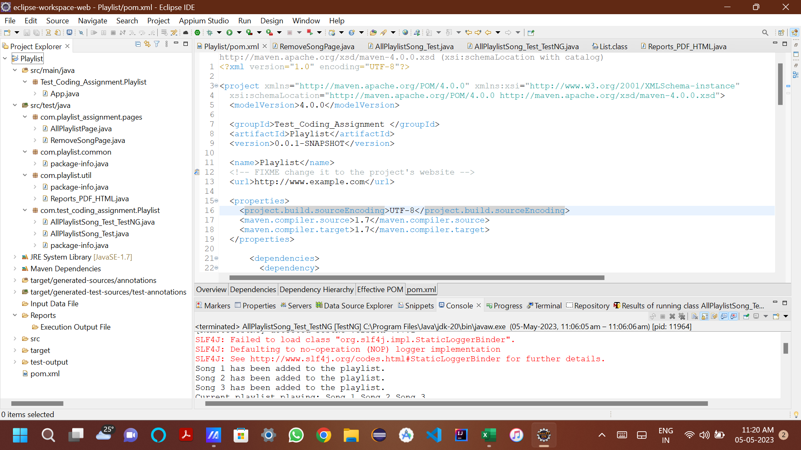

approx Time taken - 2 hours

